Member
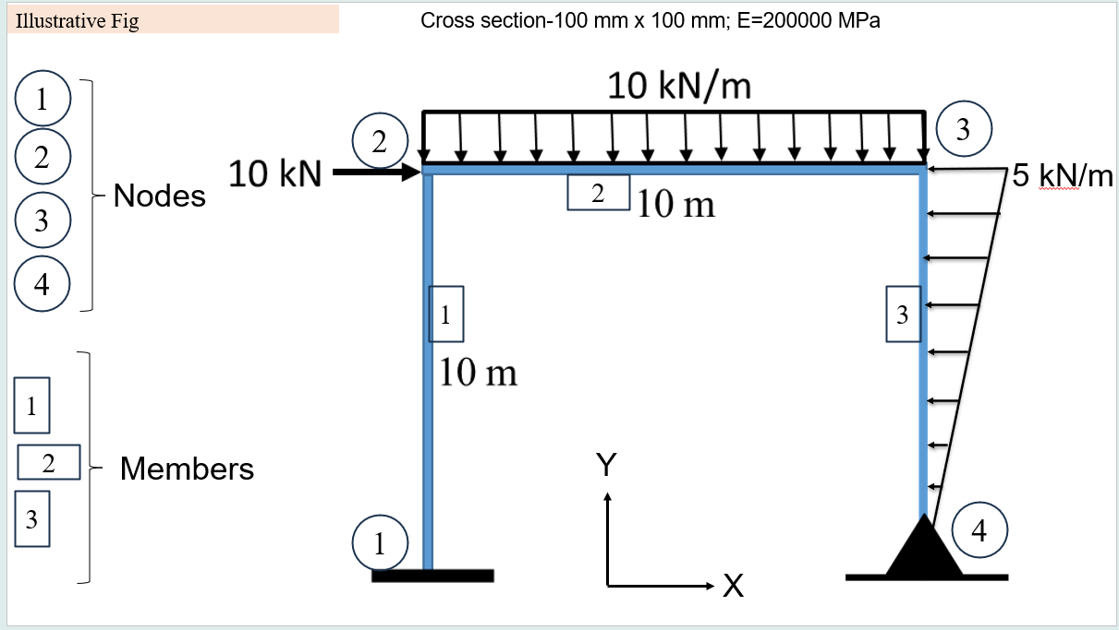
Sl_No | Node_1 | Node_2 | Length | Point_load |  |  | UDL | Triangular_load |  | Area | MoI | E
1 | 1 | 2 | 10 | 0 | 0 | 0 | 0 | 0 | 0 | 0.01 | 8.3333333333E-06 | 2.00E+11
2 | 2 | 3 | 10 | 0 | 0 | 0 | -10000 | 0 | 0 | 0.01 | 8.3333333333E-06 | 2.00E+11
3 | 4 | 3 | 10 | 0 | 0 | 0 | 0 | 0 | -5000 | 0.01 | 8.3333333333E-06 | 2.00E+11

